Dashboard
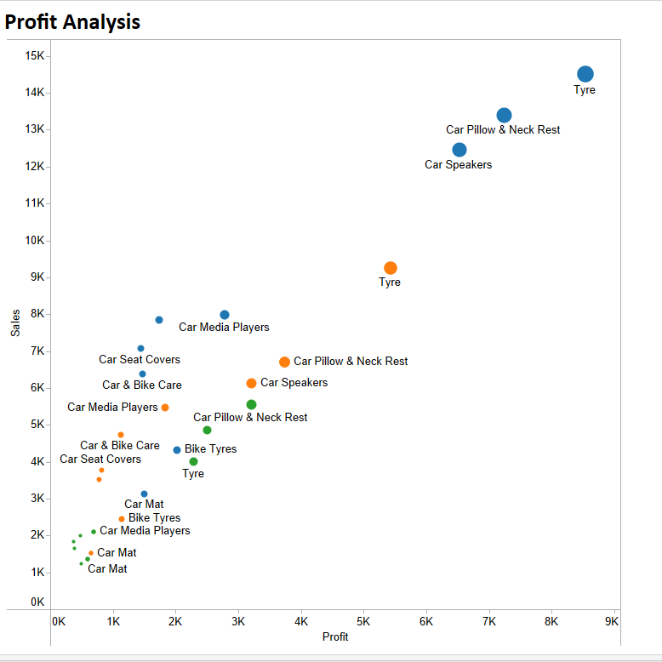
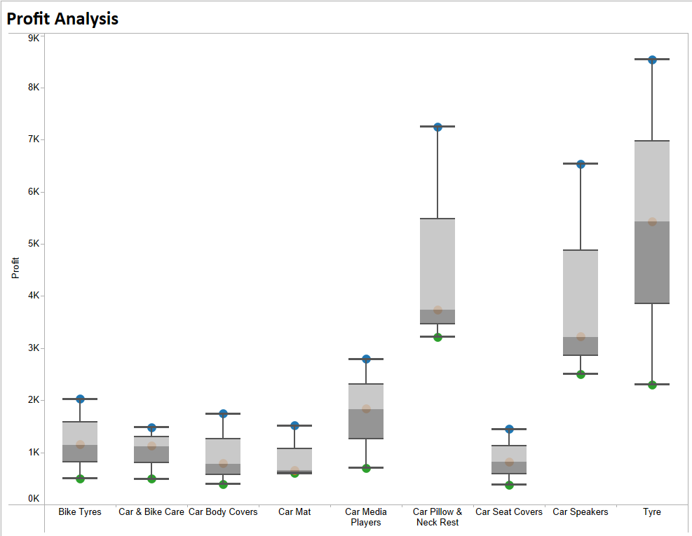
Sales Data Analysis


Sales Trend
 | Total
Jan | 10650
Feb | 11402
Mar | 13773
Apr | 14515
May | 11577
Jun | 14281
Jul | 13773
Aug | 10129
Sep | 10853
Oct | 12599
Nov | 11171
Dec | 10354
Shipping Modes Proportion
 | Total
First Class | 108914
Second Class | 25641
Standard Class | 6490
Same Day | 4032

Countrywise Sales by Segments
 | Consumer | Corporate | Home Office
Afghanistan |  | 118
Albania |  |  | 211
Algeria | 250 | 250
Angola | 211
Argentina | 810
Australia | 4829 | 2698 | 1273
Austria | 860 | 118 | 140
Bangladesh | 418 | 118 | 108
Belarus | 250
Belgium | 515 | 322
Benin | 114
Bolivia | 325
Brazil | 2680 | 1518 | 610
Bulgaria |  | 54
Cambodia | 250
Cameroon | 403
Canada | 433 | 117
Chile | 420 | 72 | 117
China | 6382 | 3860 | 2313
Colombia | 1050 |  | 243
Cuba | 1165 | 542
Czech Republic | 54
Democratic Republic of the Congo | 793 | 250 | 211
Dominican Republic | 466 | 308 | 118
Egypt | 329 | 572
El Salvador | 626 | 754
Finland | 72
France | 5683 | 3549 | 1788
Germany | 2936 | 1185 | 1114
Ghana | 118 |  | 231
Guatemala | 844 | 304 | 678
Guinea | 54 | 118
Haiti | 72
Honduras | 606 |  | 118
Hungary |  |  | 114
India | 2496 | 1889 | 1115
Indonesia | 3272 | 1990 | 1297
Iran | 906 | 461 | 194
Iraq | 285 | 231
Ireland |  |  | 232
Israel | 72
Italy | 1479 | 528
Japan | 482 | 322
Kenya | 118
Lesotho |  | 140
Libya |  | 211
Lithuania | 54
Madagascar | 114 |  | 250
Malaysia | 358 | 114
Mali | 117
...

Visuals from Tableau

